TEDB Edition 40
For shared bikes and scooters, casual users of station-based bikes travel the farthest and for the longest duration.

Figure 7.8. Average Minutes per Trip for Shared Bikes and Scooters, 2019

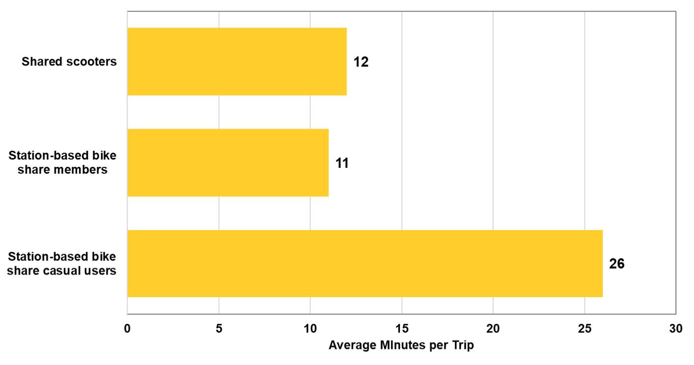

Mode | Average minutes per trip
Station-based bike share casual users | 26.0
Station-based bike share members | 11.0
Shared scooters | 12.0

Note: Based on data from Washington, D.C., Boston, MA, Chicago, IL, San Francisco, CA, and New York, NY.

Source:
National Association of City Transportation Officials (NACTO), Shared Micromobility in the U.S.: 2019, 2020. (Additional information: nacto.org/shared-micromobility-2019)

